Sheet1
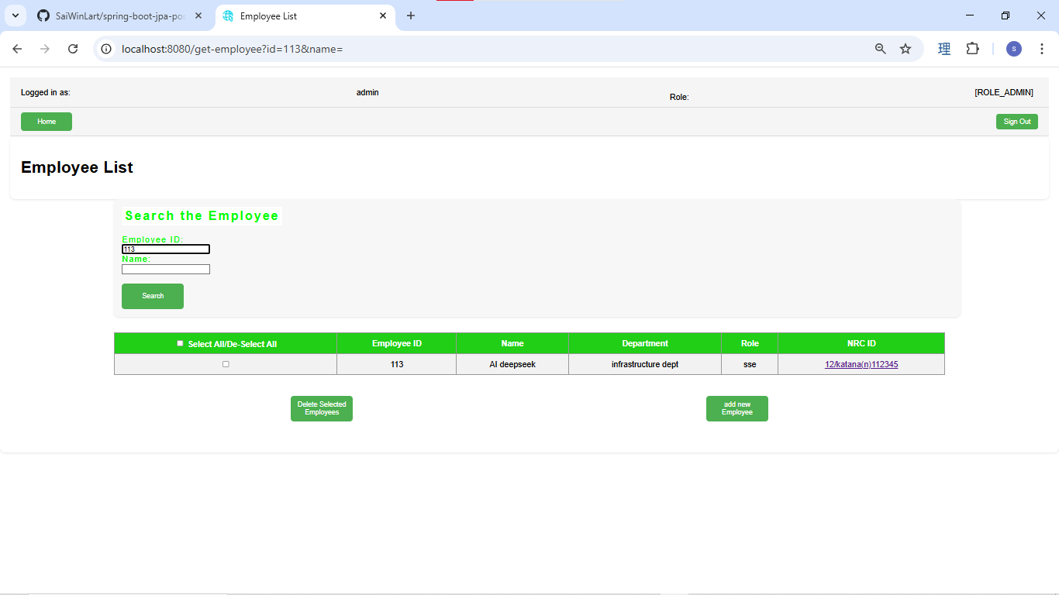
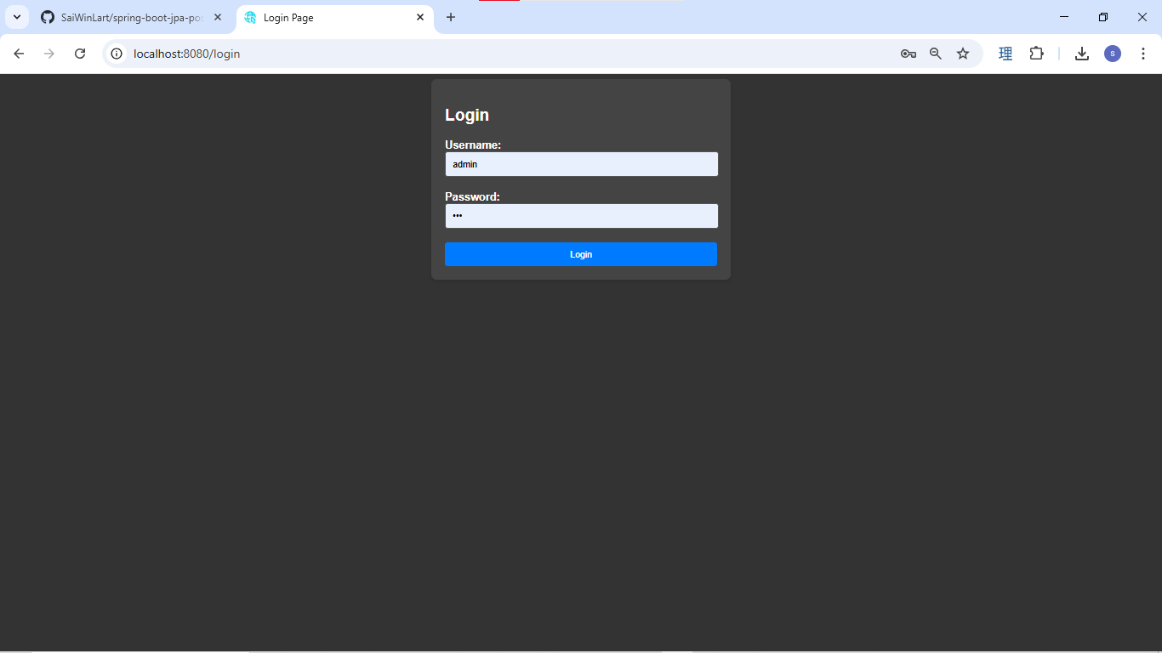

Login as admin role
admin home page is showing all the function
admin can create, edit and delete the data.
the first time of login user has to change their default password.
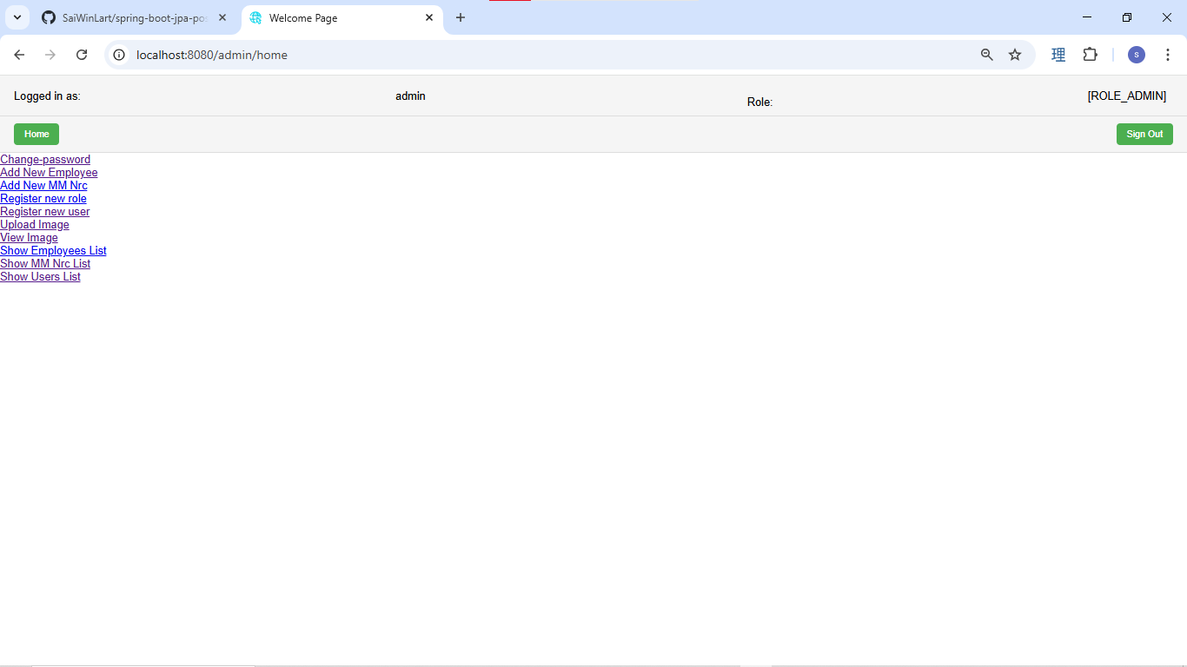

change password page

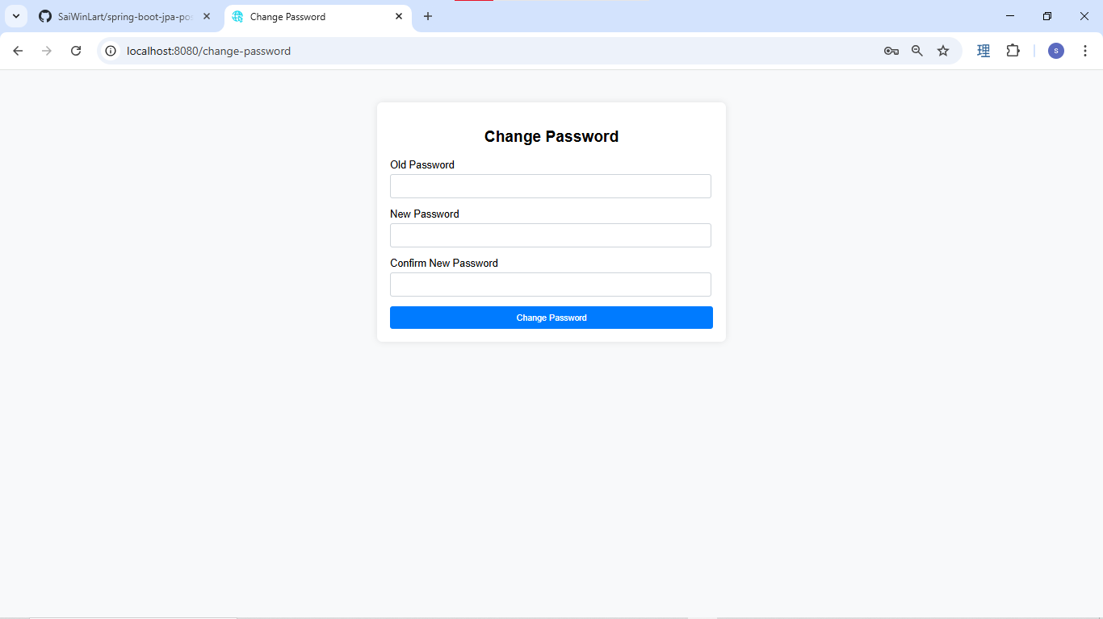

if the input field is empty, the error message will be show.

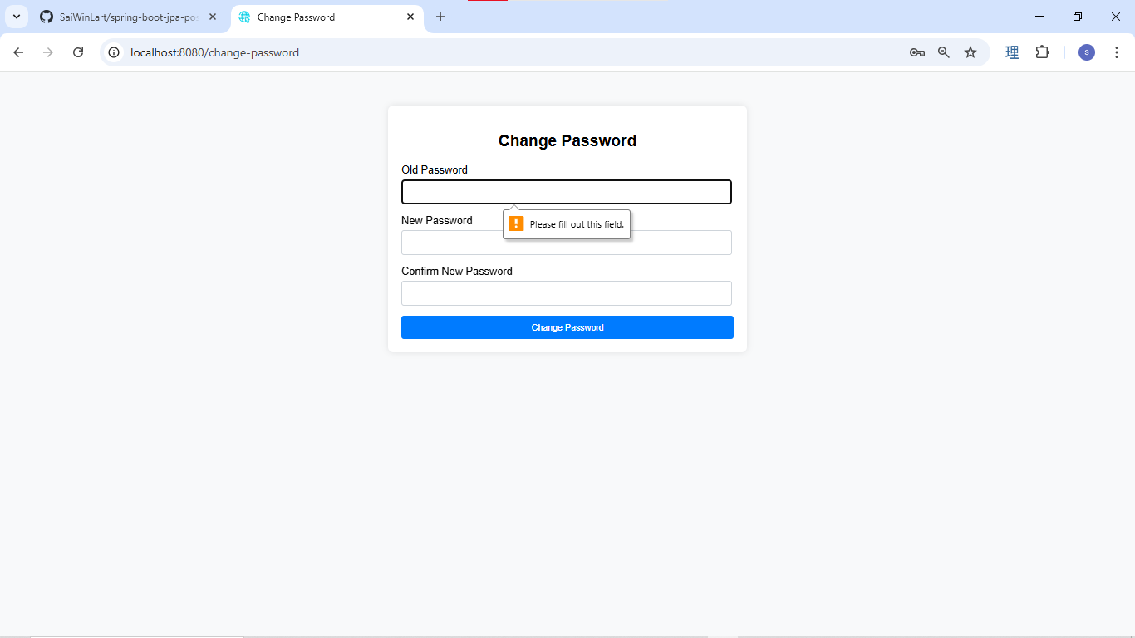

if old password is incorrect, this error message will be show.

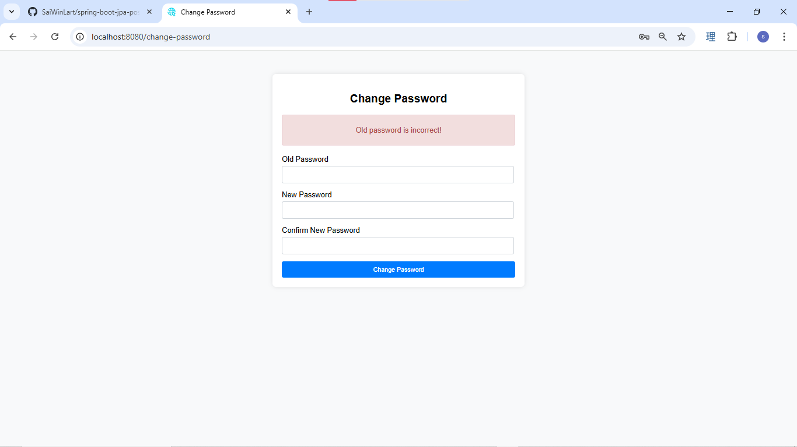

if the new password and the confirm new password is not match, this error message will be show.



if the change pasword is success , it will redirect to the login page and show this success message

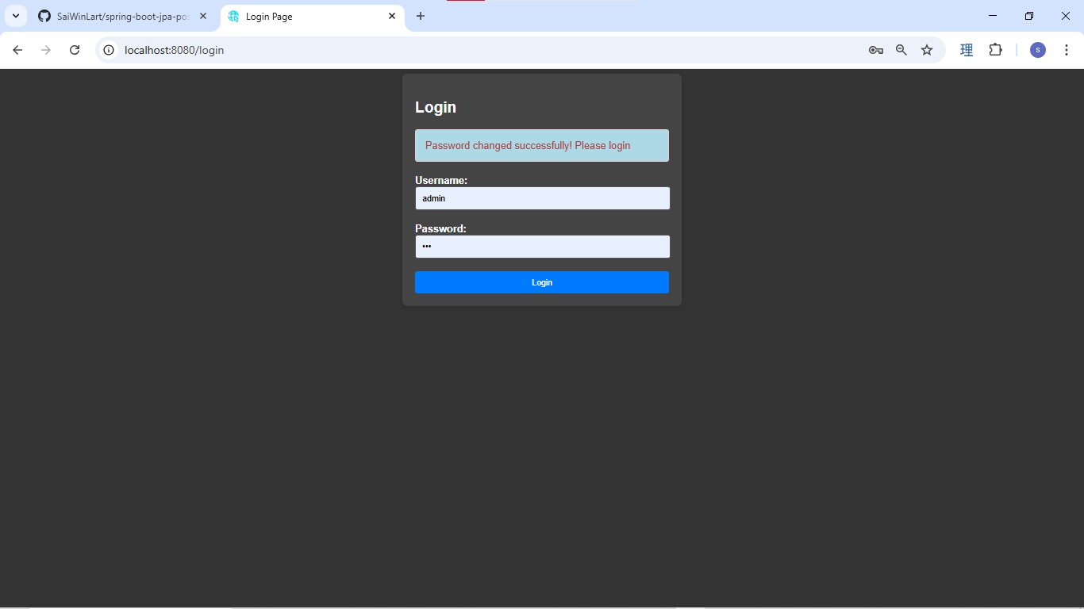

User click on the Add new employee link

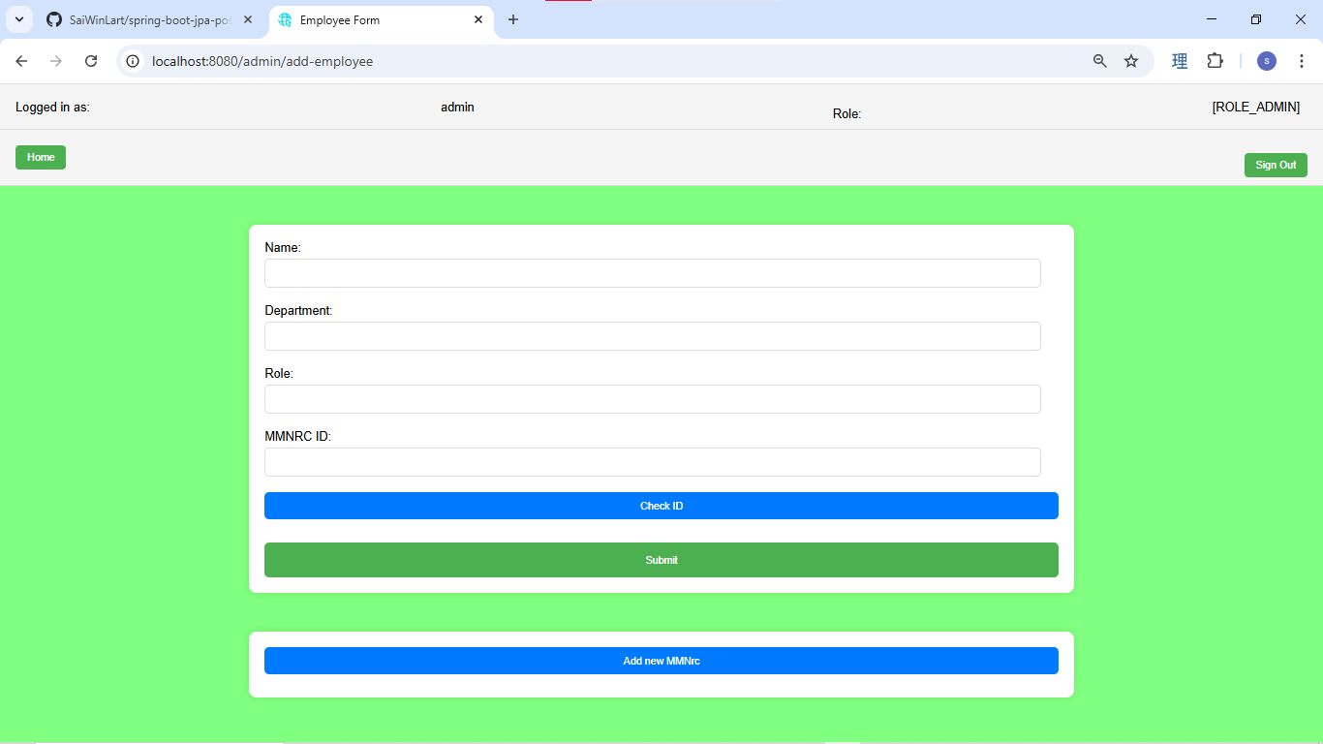

user can check the MMnrc id is valid or not
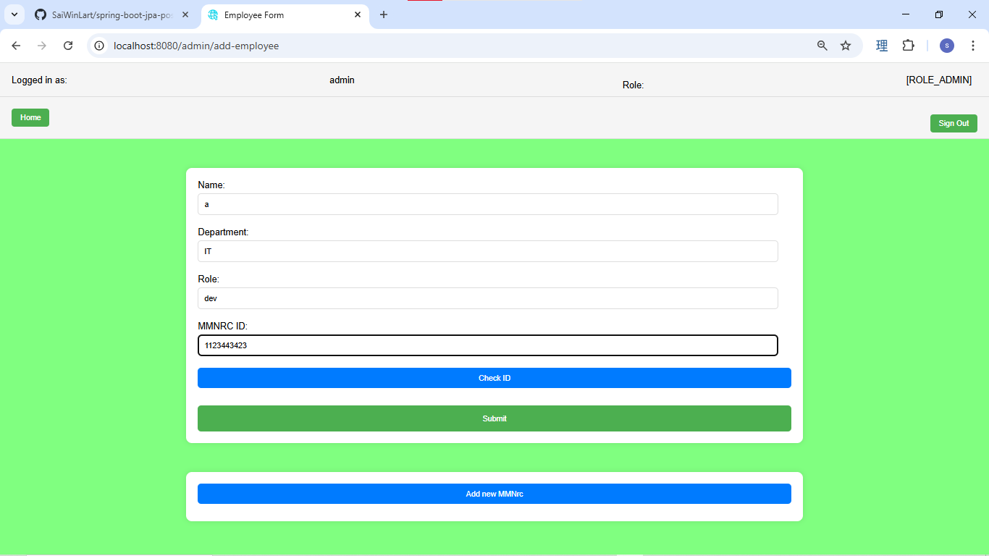

if the input Nrc id is not valid this error message will be show.

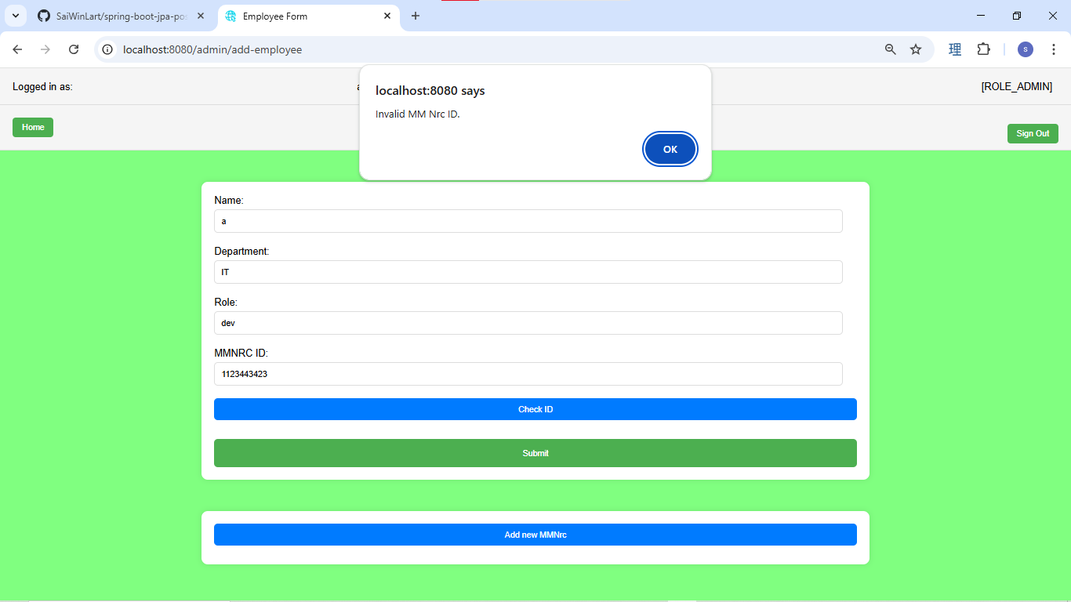

when the input field is incorrect the error message will show on the related input field. When submit button is click.

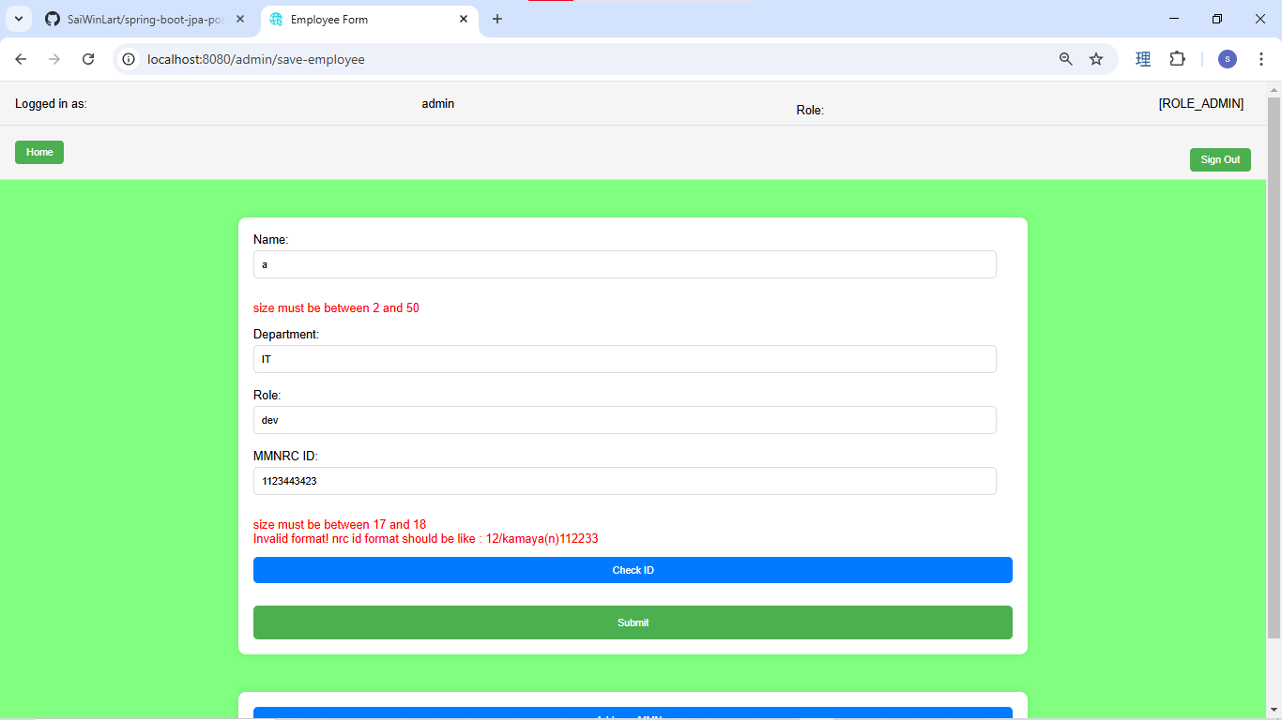

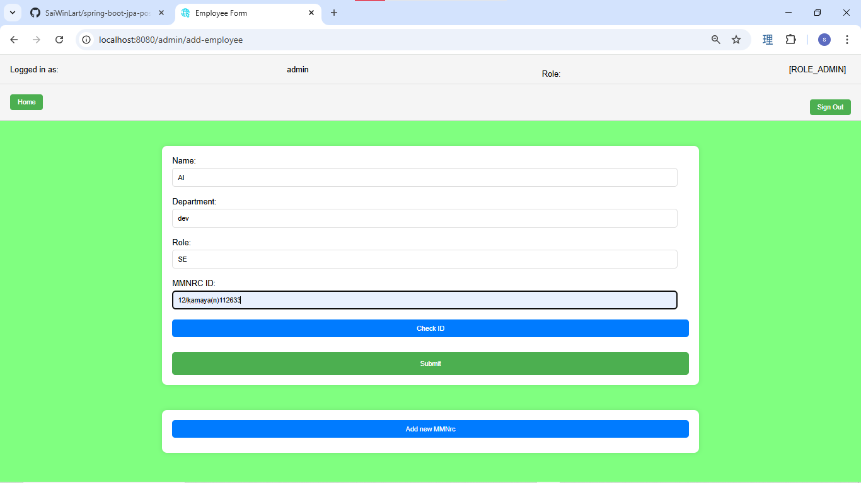

if the Nrc ID alread exist in this company, this error message will show.

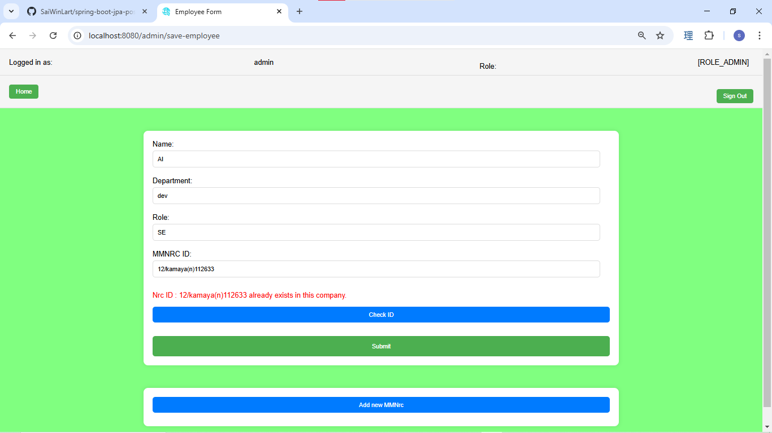

User click on the Add new MMNrc , to create new one.

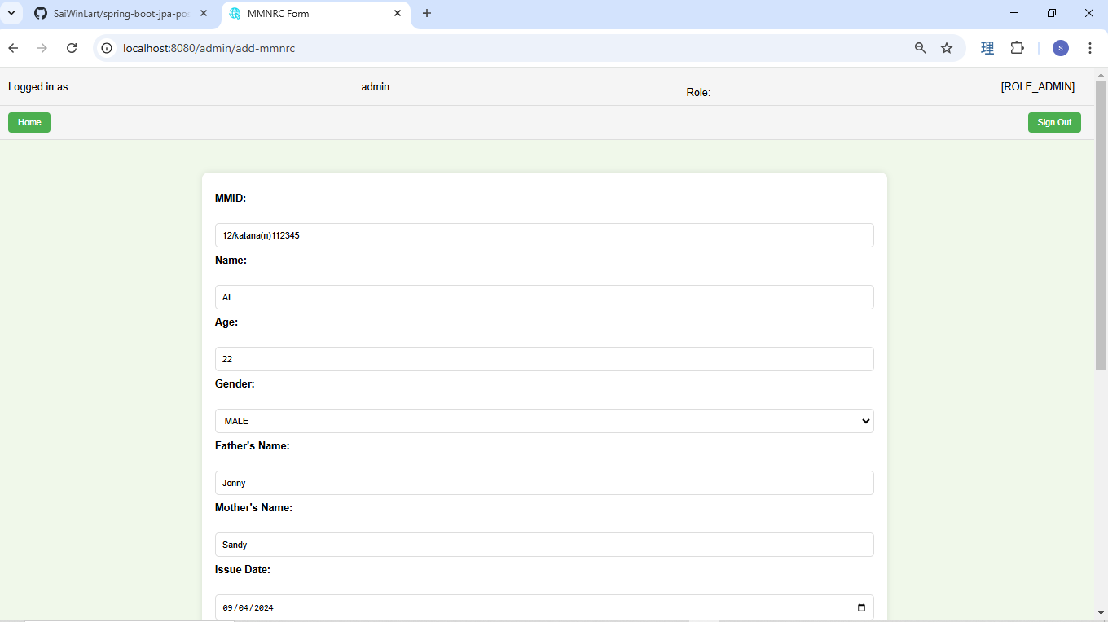

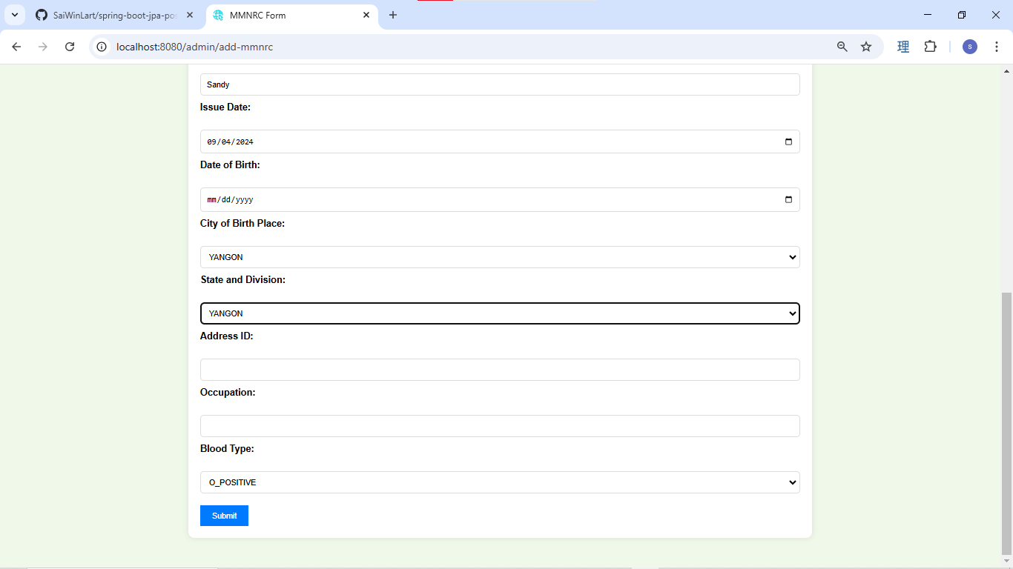

when the add new is success, it will redirect to the MMnrc Management page,
Admin can view, update and delete it here.

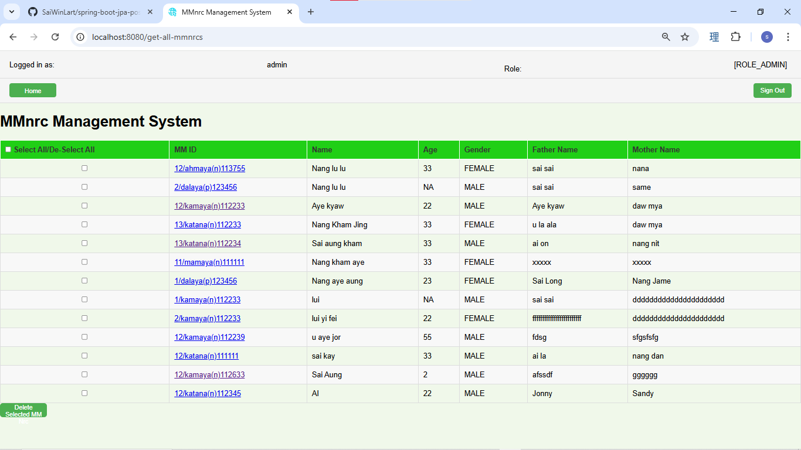

when click on the MMnrc id link, the view page is show.

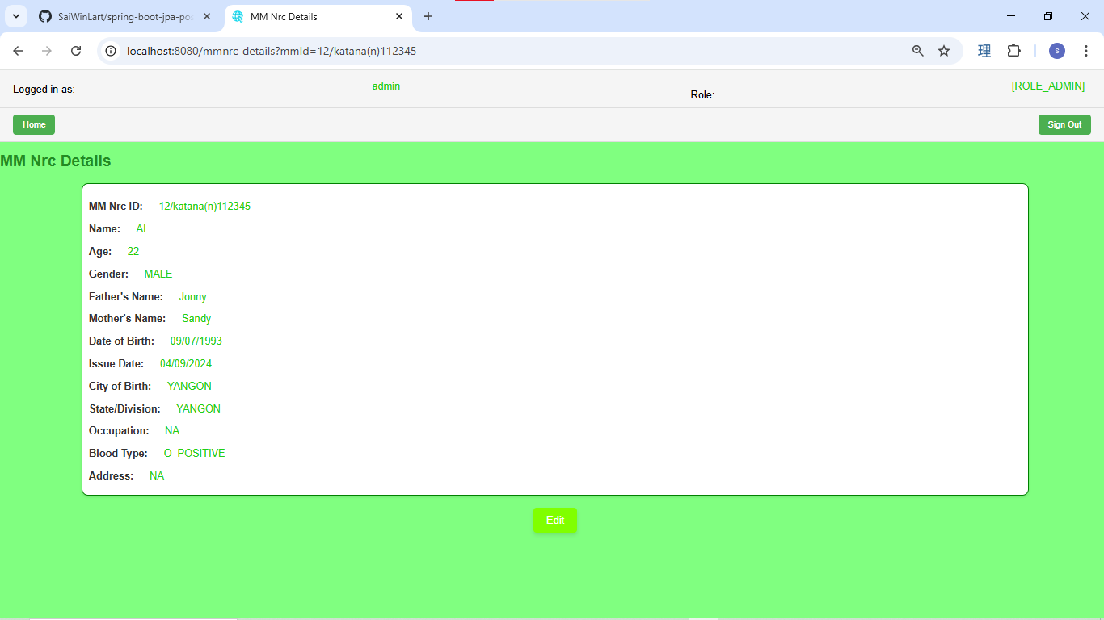

After click on the edit button.
change the Name to AI deepseek.
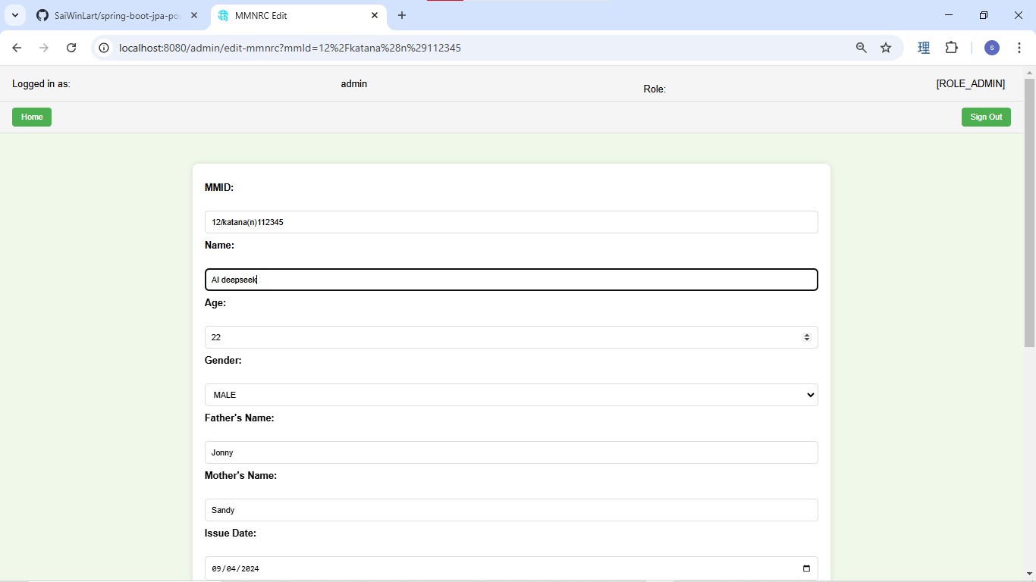

 | After success update.

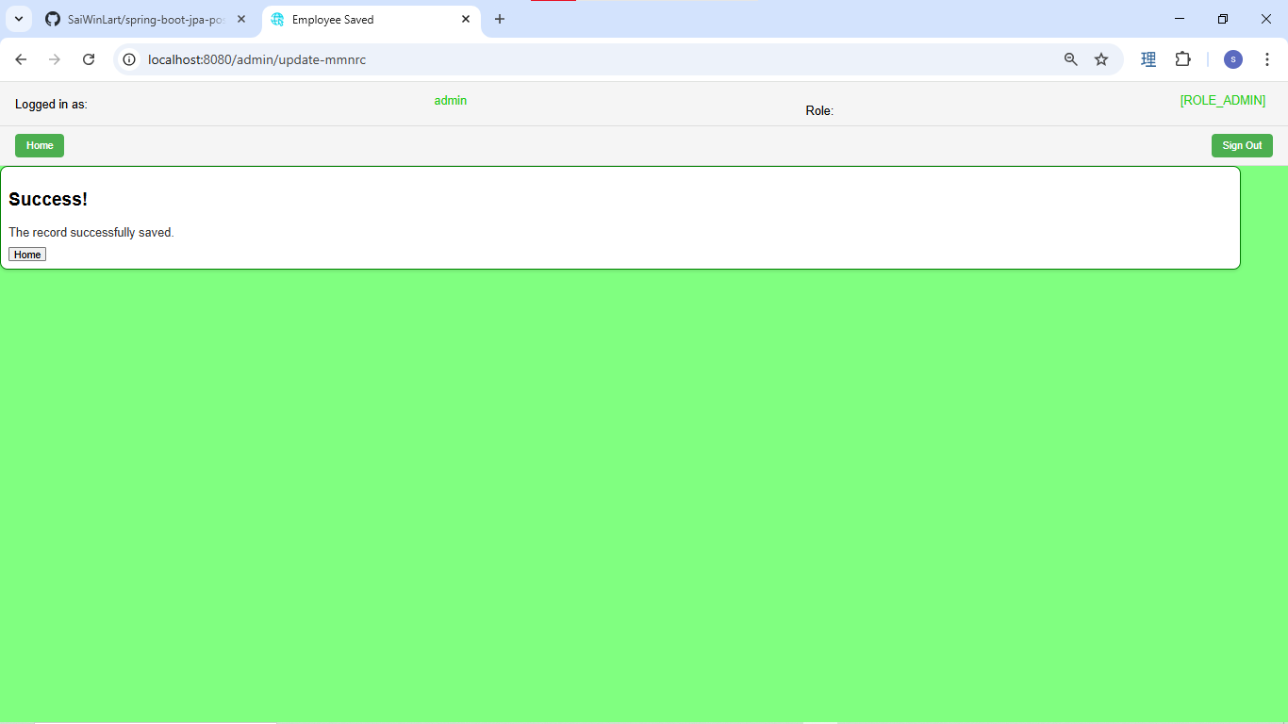

Re check the update name.



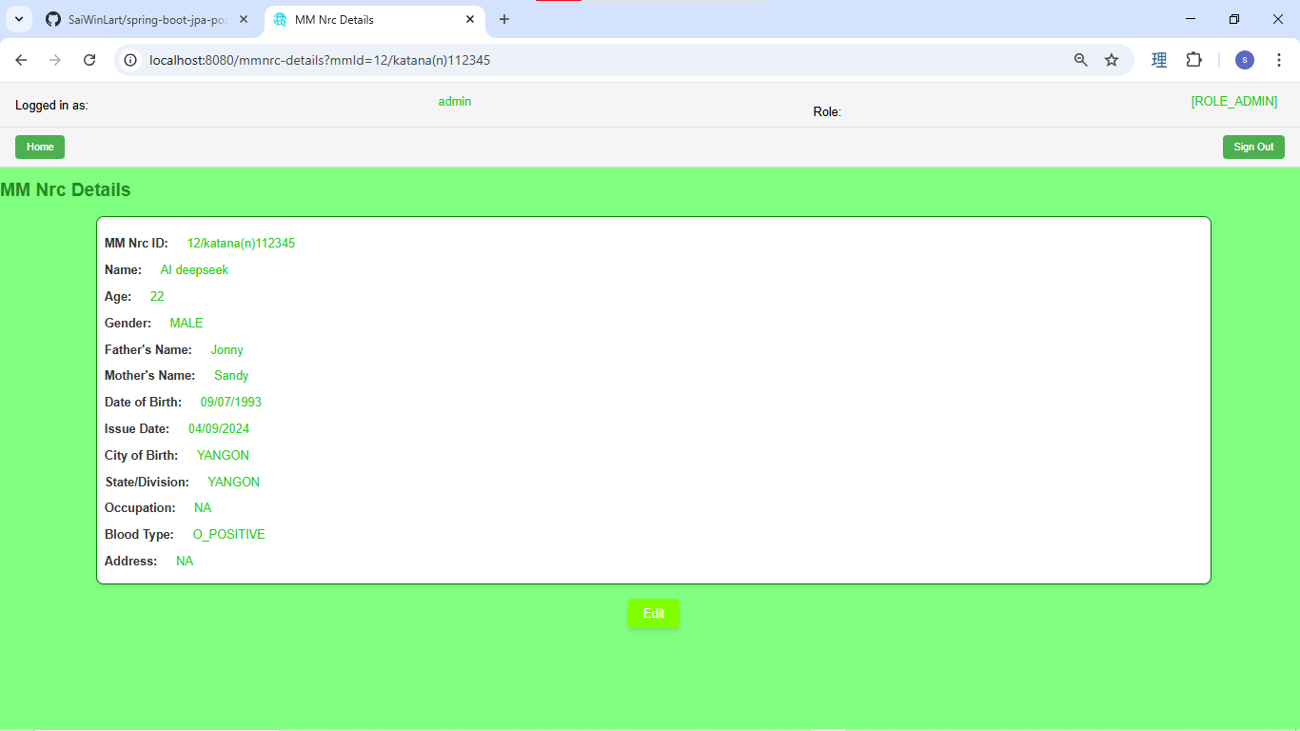

Register new employee, check the MMnrc id,

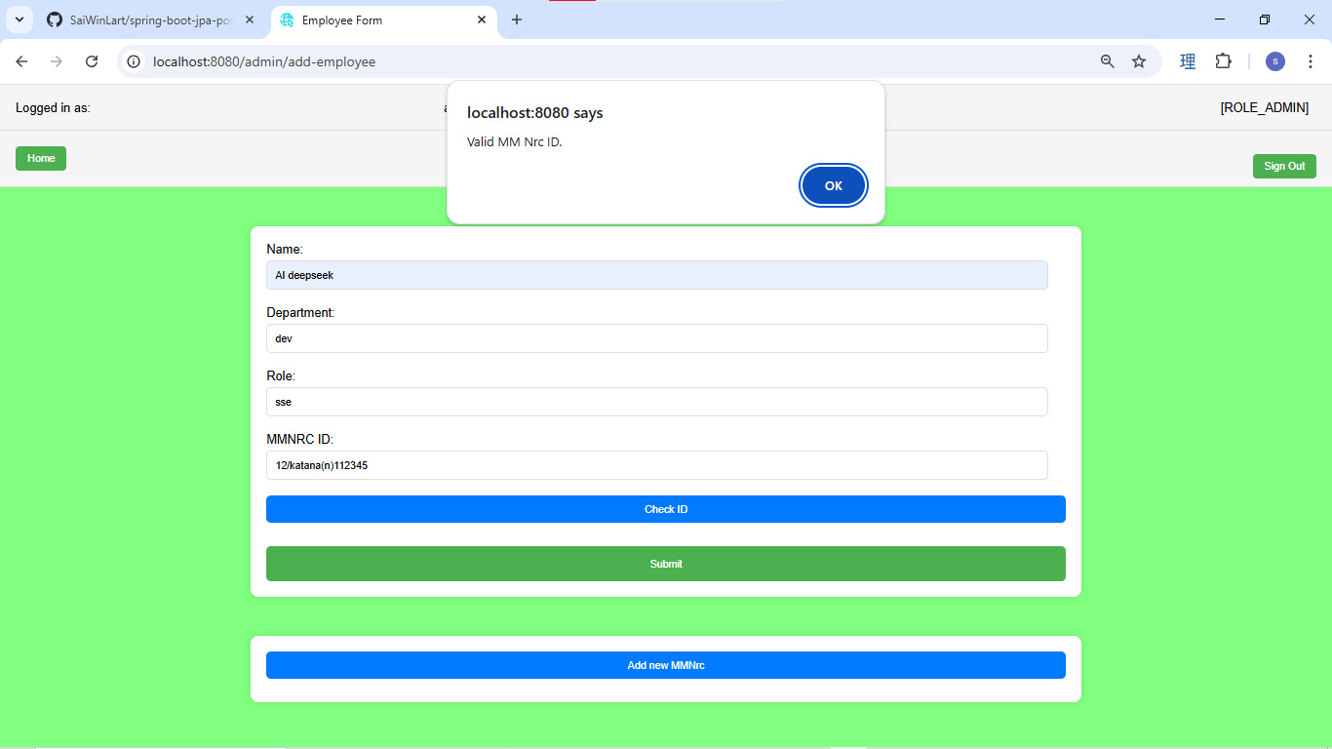

successfully create new employee



Check the new created employee in Employee list page.

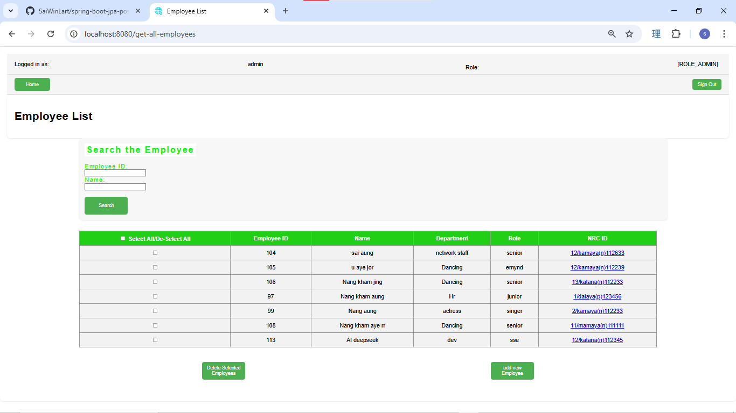

click on the MMnrc link to view the details

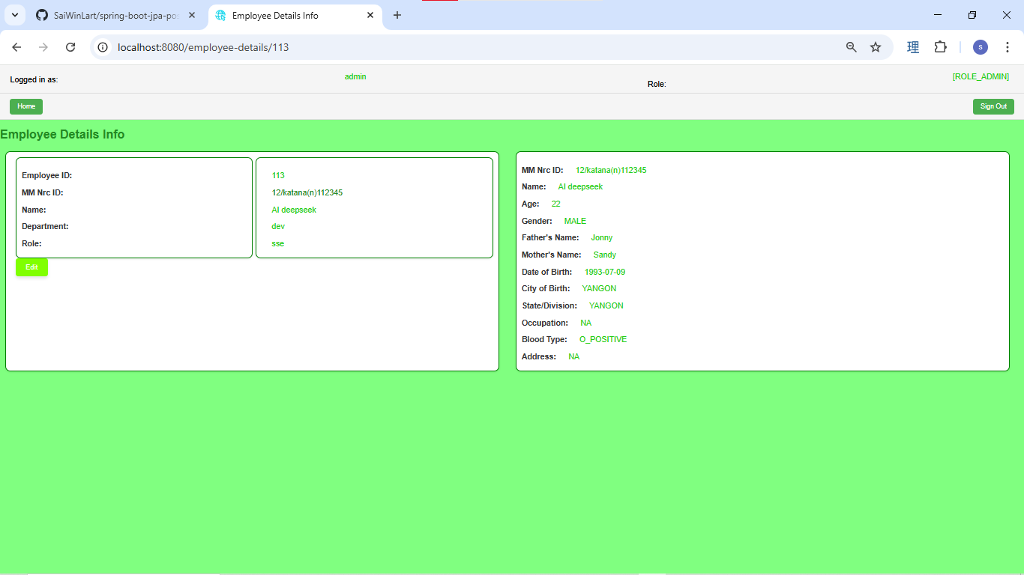

Admin click on the edit button.
change the department to infrastructure dept

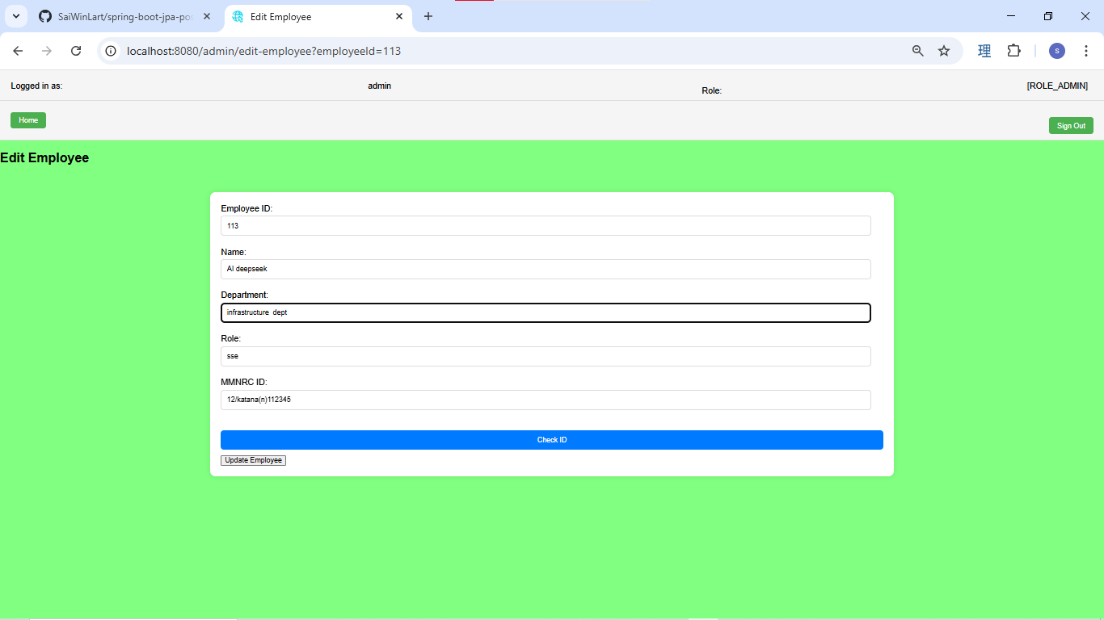

successfully updated

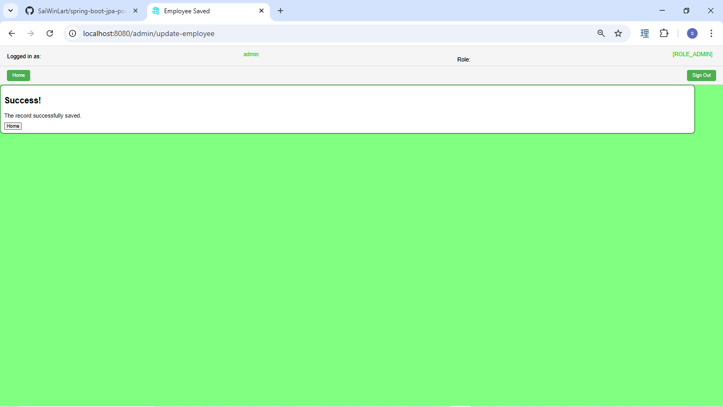

recheck the updated department

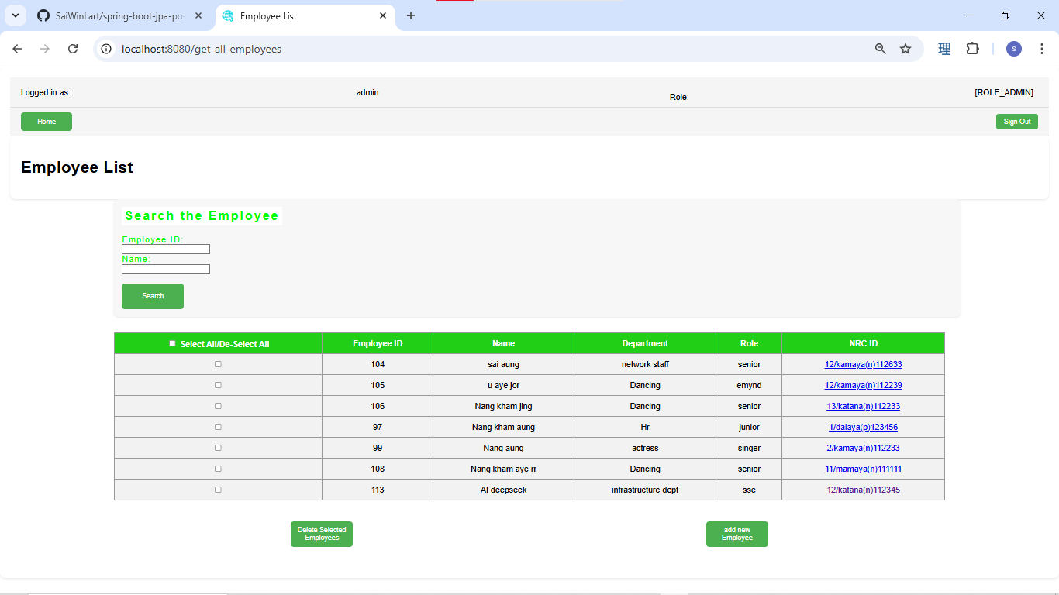

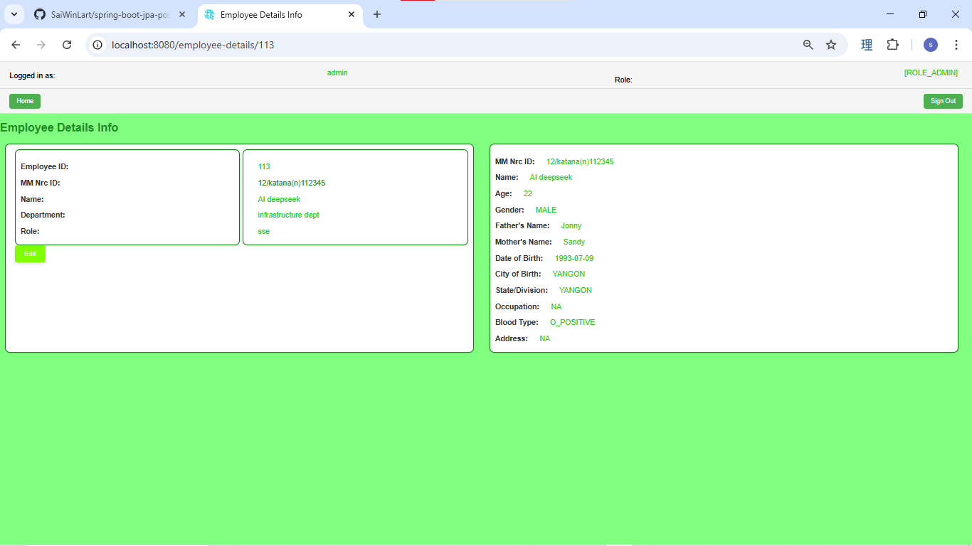

Admin register new user from the menu page

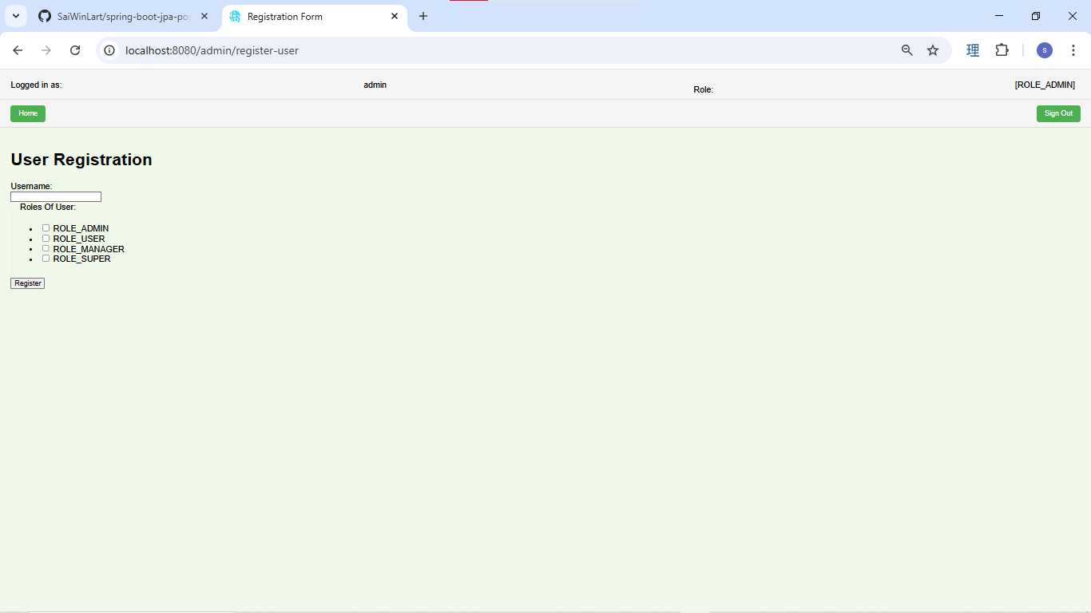

Add role to user

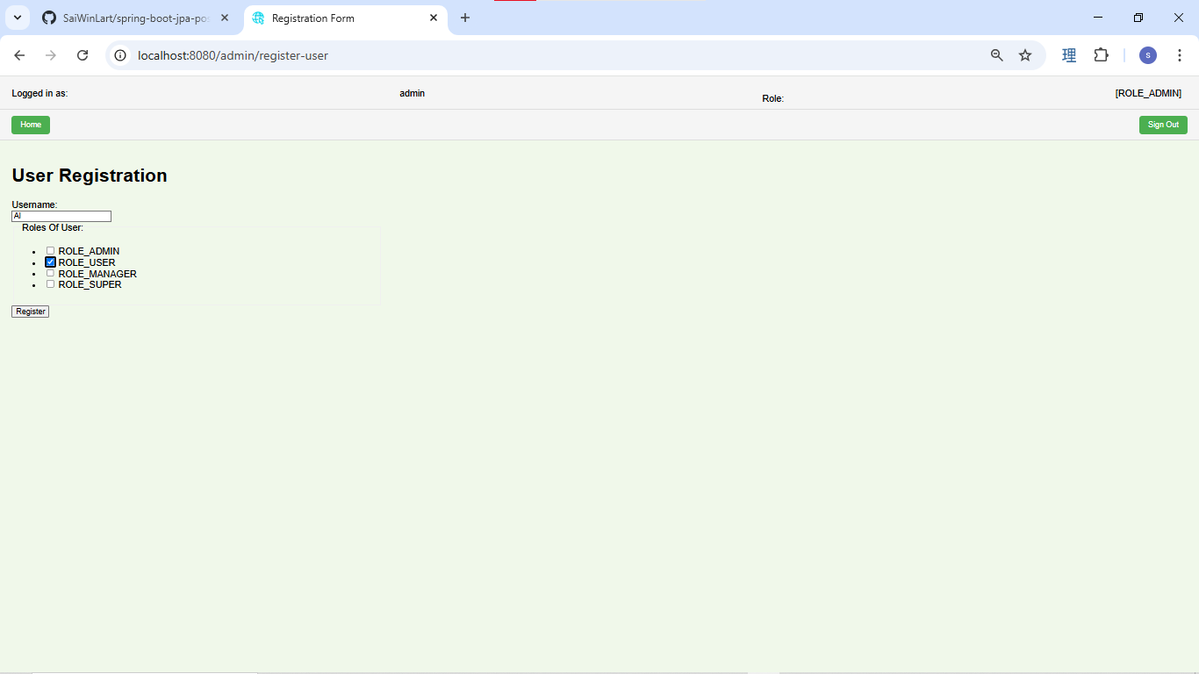

 | The user registration is successfully

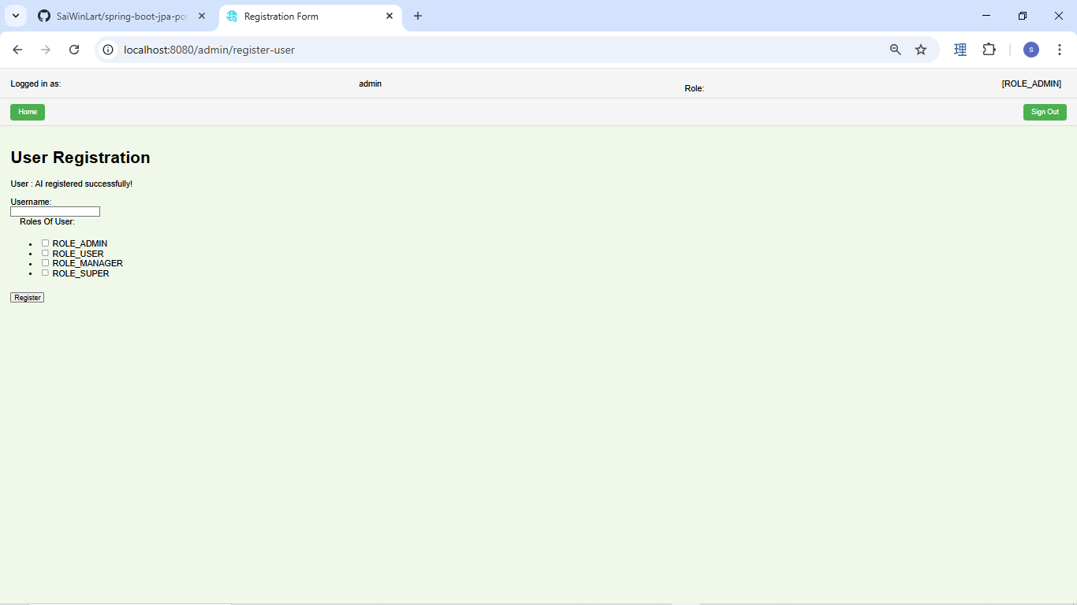

the new created user need to change the default password

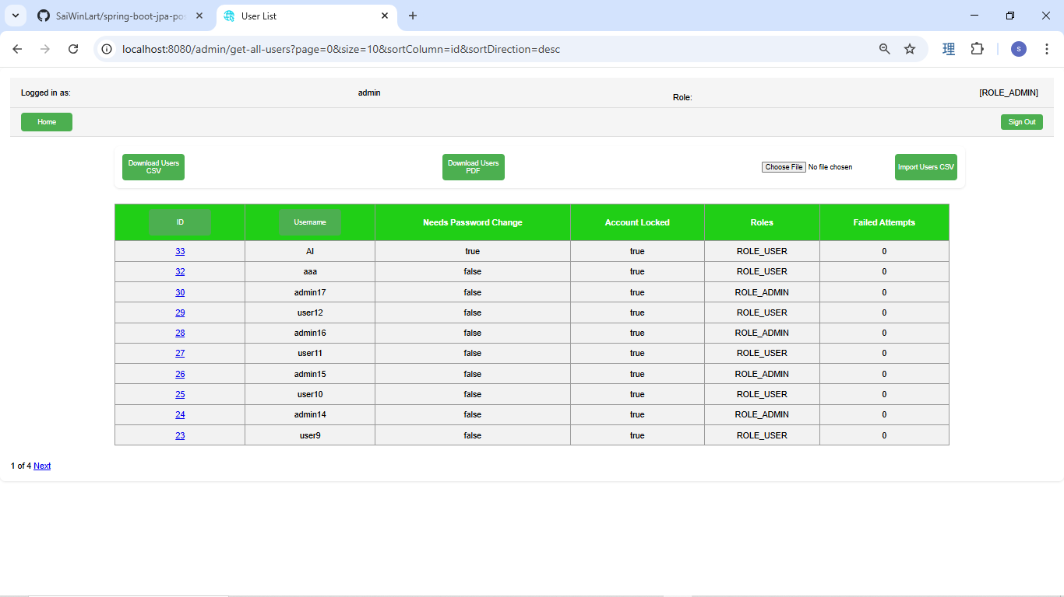

admin click on the user id to see the details

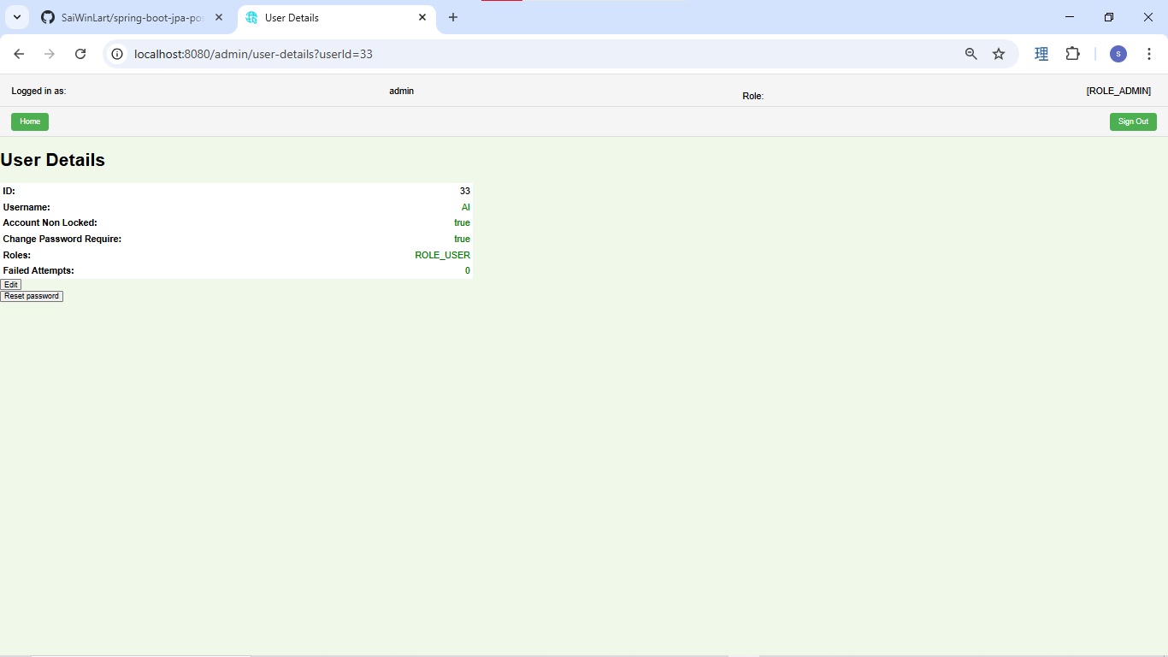

Admin click on the edit button

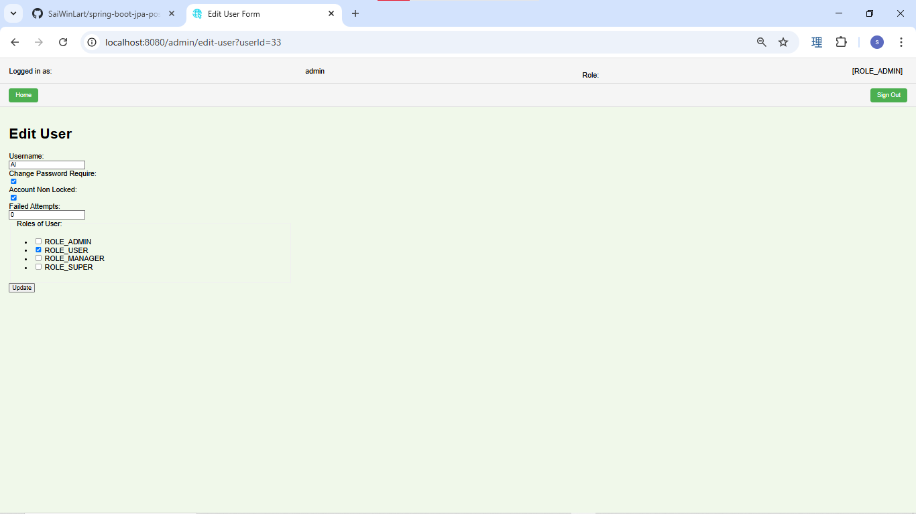

Change the user name

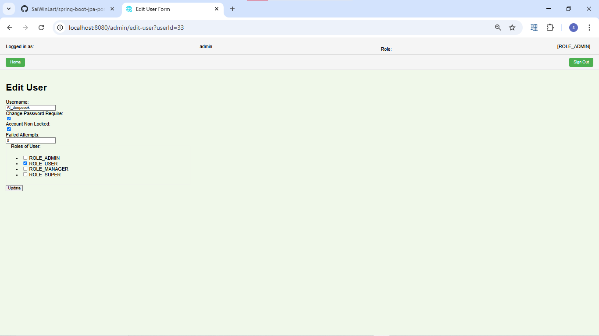

the user update is successfully



the user name is updated

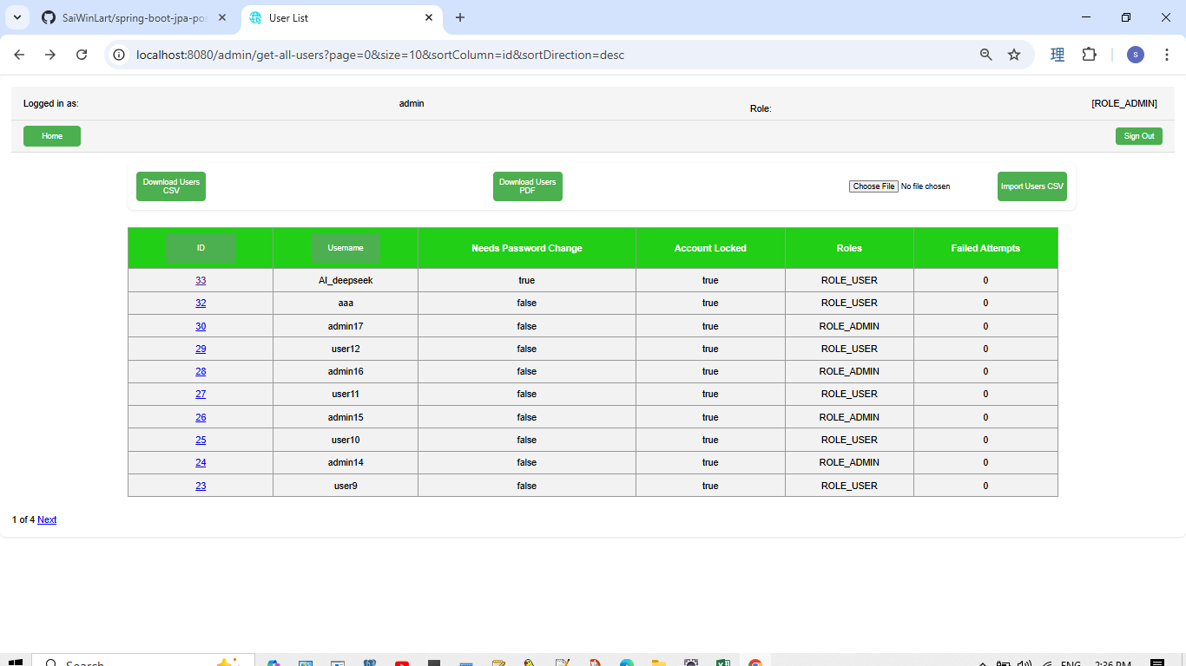

 | Admin log out
 | Login as normal user role
 | login as the new created user
 | defaul user password is : 123

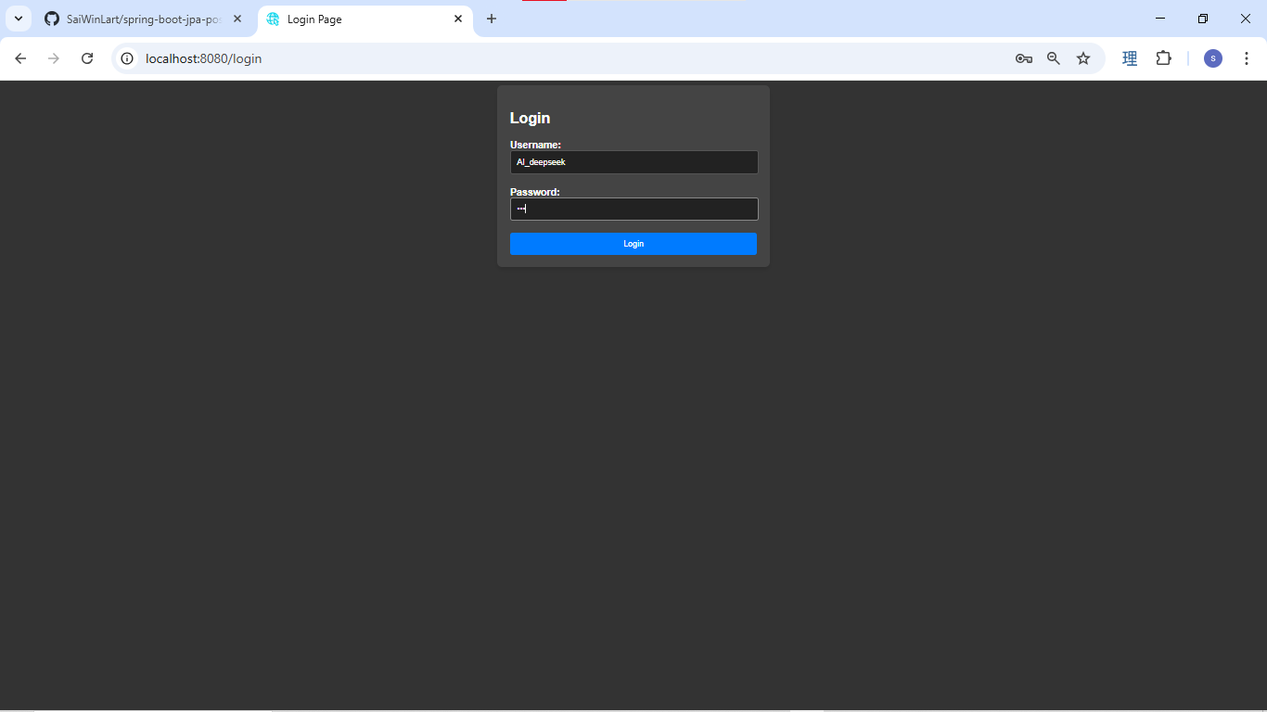

the first time login user need to change the default pass, system redirect to the change password page after first success login

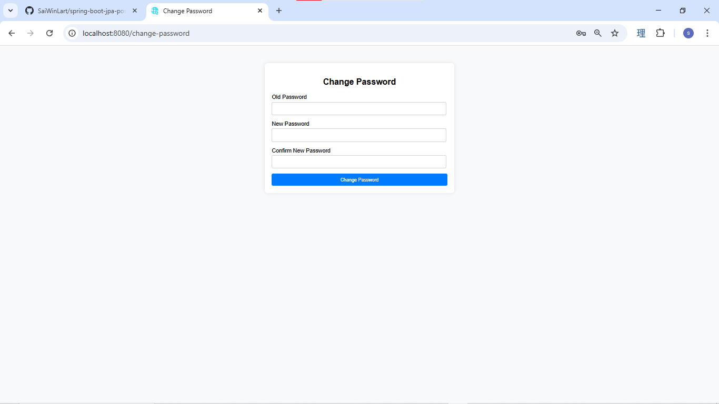

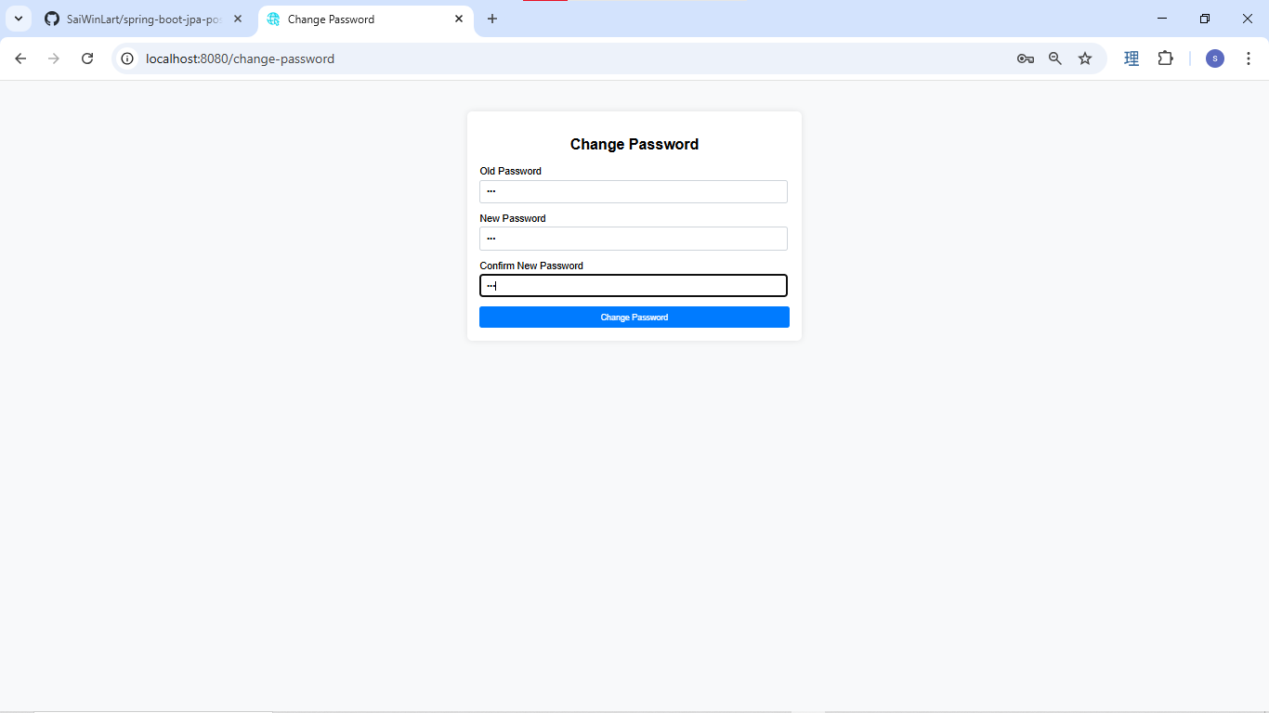

password change successfully, system redirect to the login page and show the successfully message

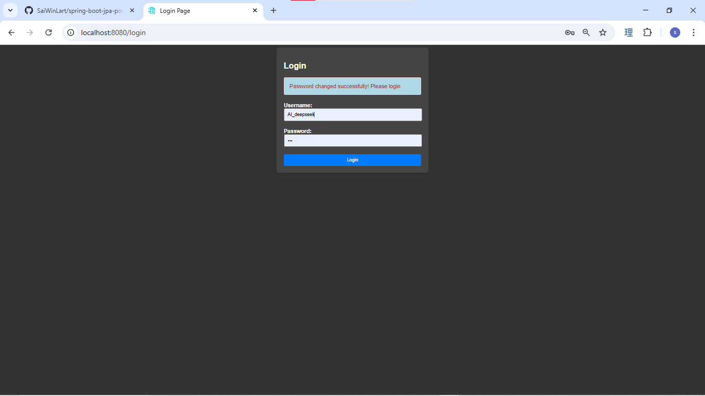

Login as normal Role user
the menu only show view only , user can't edit or delete the data.

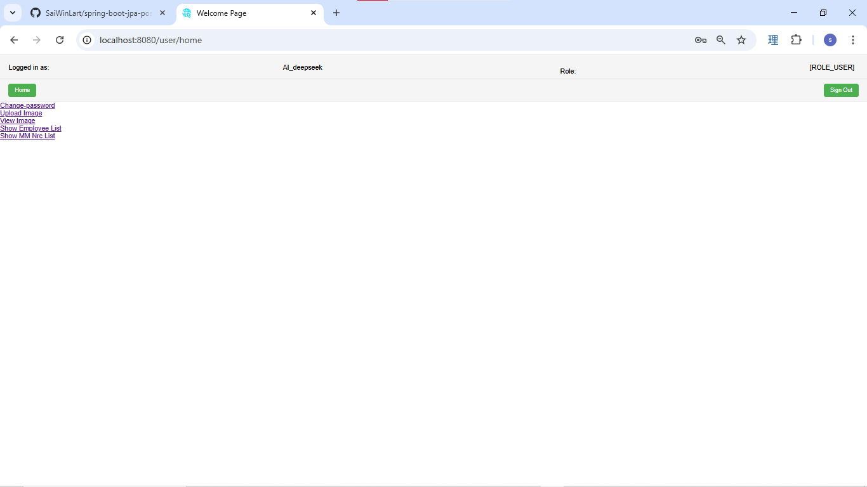

User click on show employee list link

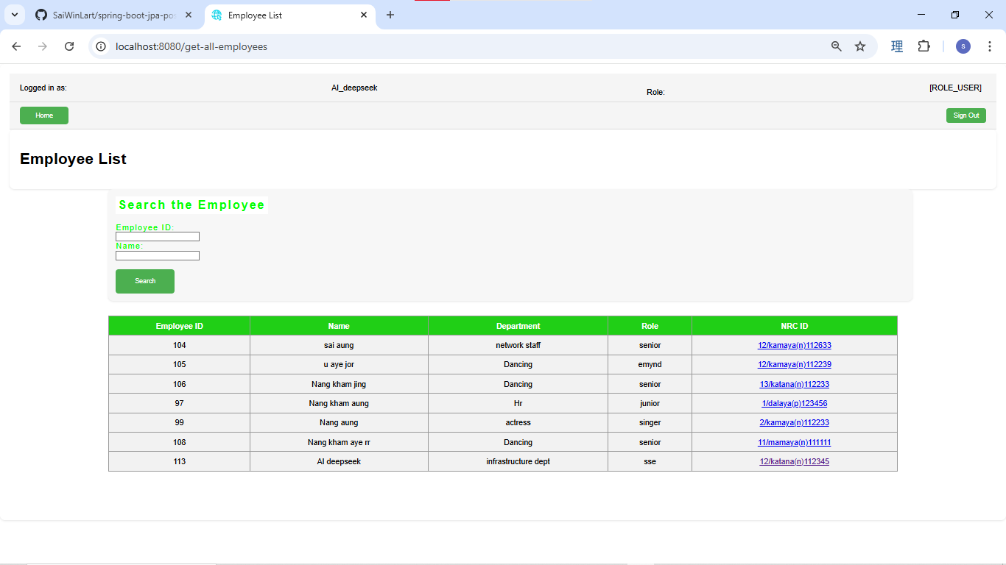

user click on the NRC id link of the new created id.
in this user can't edit or delete , the edit button is not visible.

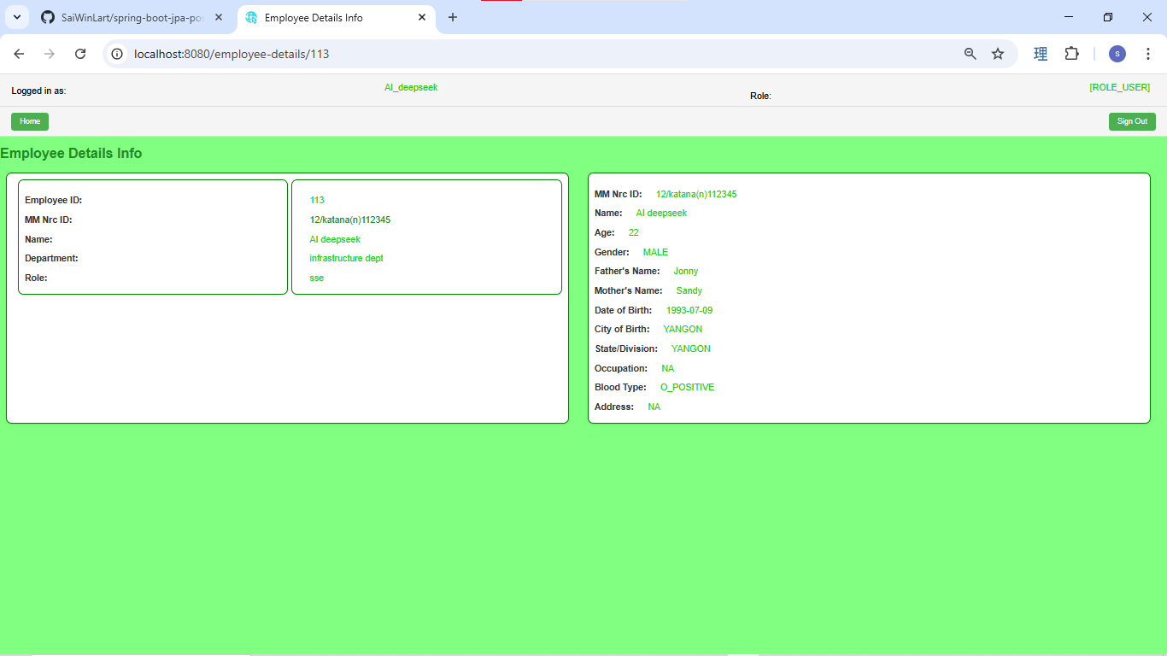

user click on show MMnrc list link

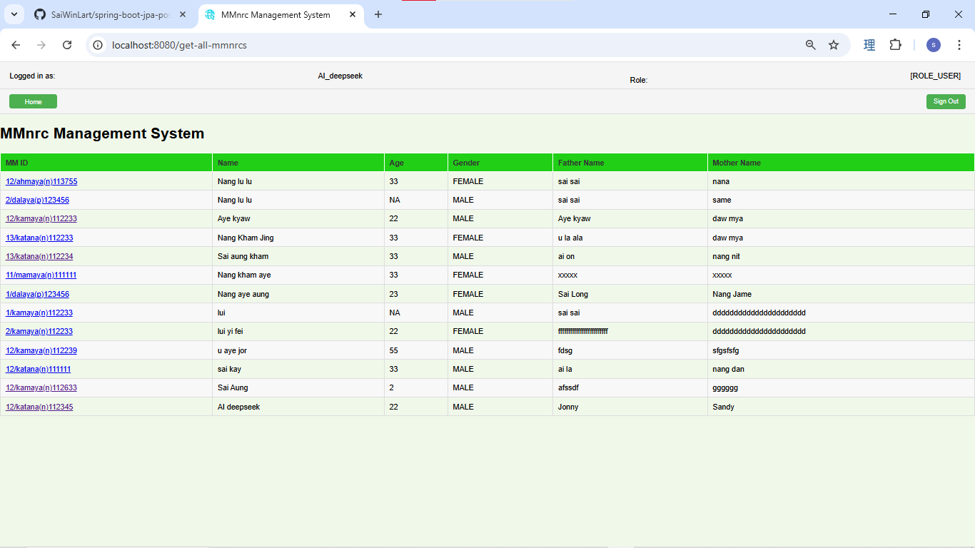

user click on the new created MMnrc id link
normal user can only view, the edit button is invisible.

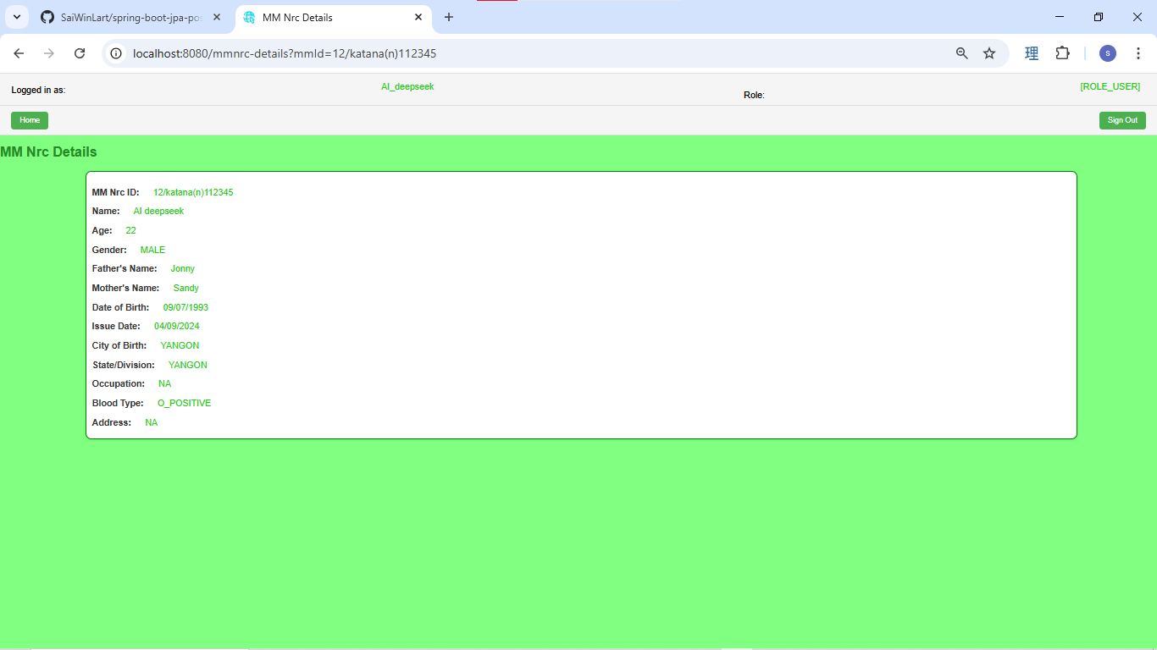

user click on ID button for sorting by ID by asc, when click it again the sorting will be desc order.

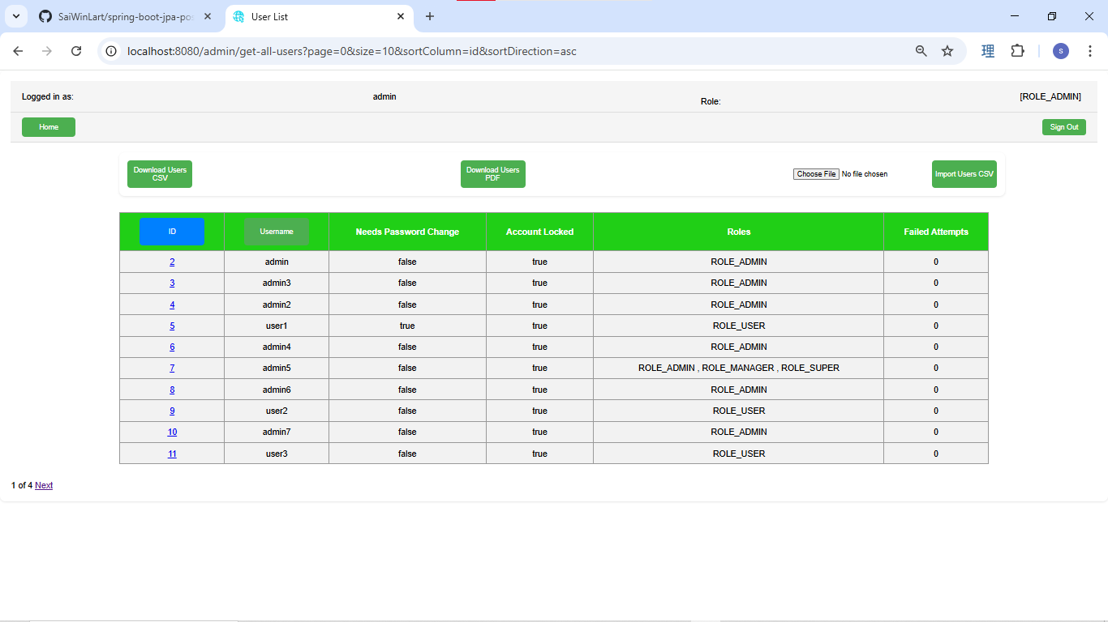

 | descending order

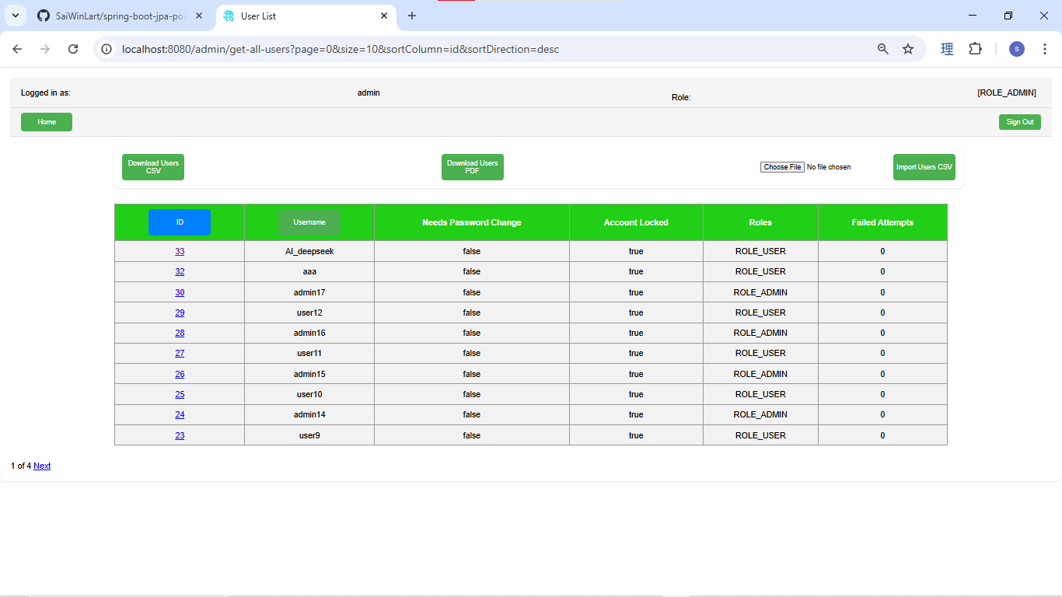

 | sorting by user name asc

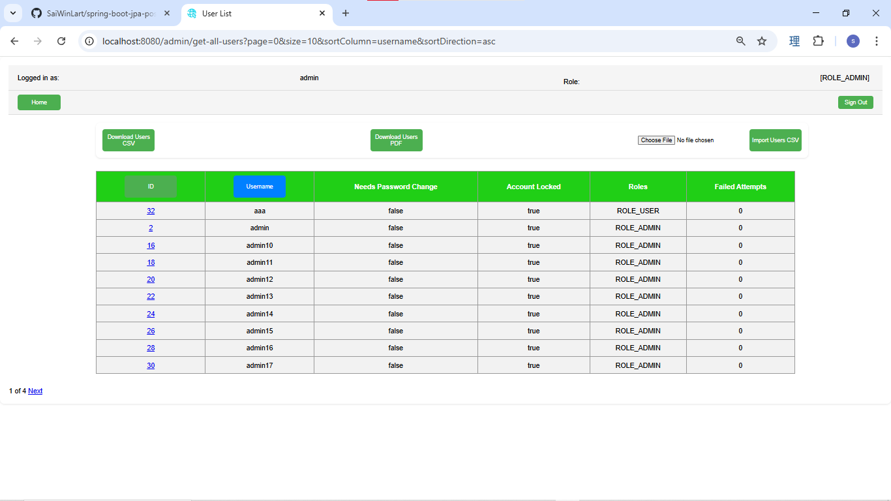

 | sorting by user name desc

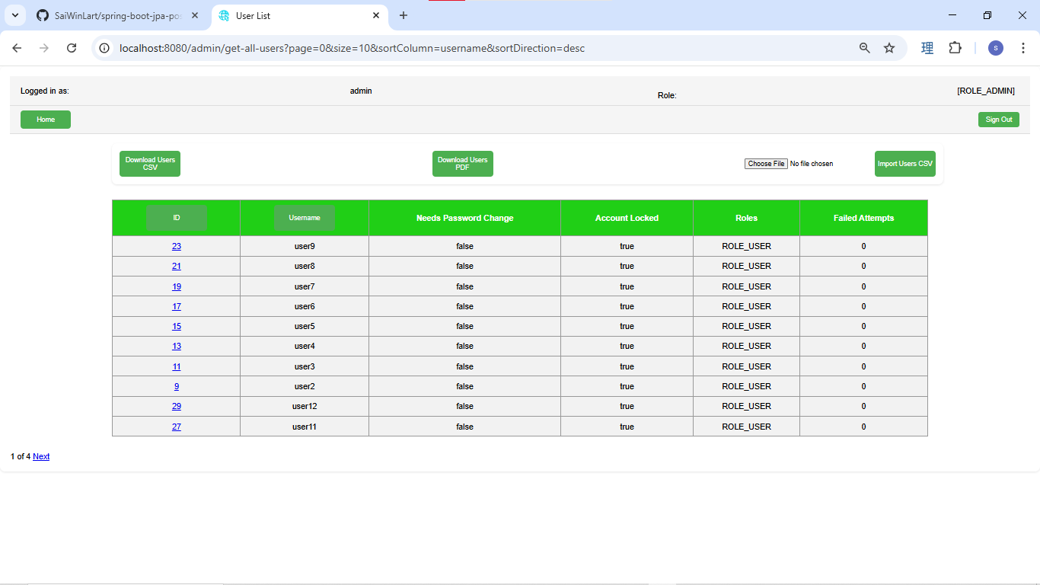

Admin can download user data in csv format or PDF , admin can import user data by upload csv file.

user click on the next link for showing the second page.

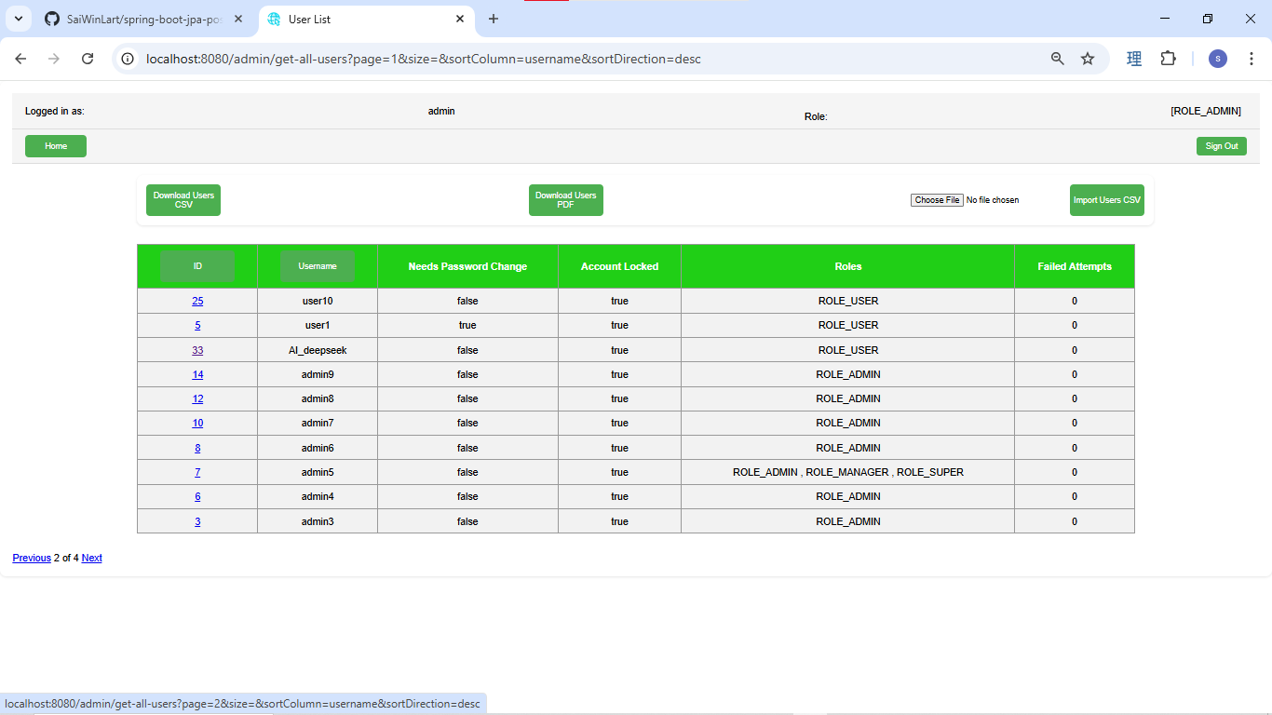

user click on the id 33 link to see the details



Admin can search employee by id or name.

